001_11ar_2022m11
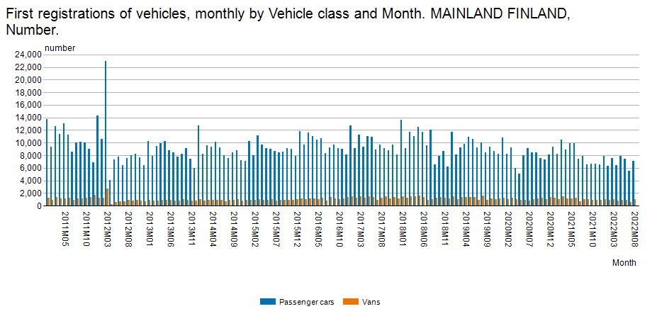
First registrations of vehicles, monthly by Region, Month, Information and Vehicle class
https://pxweb2.stat.fi/PxWeb/pxweb/en/StatFin/StatFin__merek/statfin_merek_pxt_11ar.px/chart/chartViewColumnStacked/
 |  | Number
 |  | Passenger cars | Vans
MAINLAND FINLAND | 2011M01 | 13788 | 1205
 | 2011M02 | 9304 | 966
 | 2011M03 | 12585 | 1342
 | 2011M04 | 11406 | 1085
 | 2011M05 | 13040 | 1179
 | 2011M06 | 11235 | 1242
 | 2011M07 | 8616 | 874
 | 2011M08 | 10024 | 1098
 | 2011M09 | 10111 | 1190
 | 2011M10 | 10070 | 1200
 | 2011M11 | 9060 | 1357
 | 2011M12 | 6891 | 1754
 | 2012M01 | 14270 | 1263
 | 2012M02 | 10626 | 1241
 | 2012M03 | 22938 | 2691
 | 2012M04 | 4061 | 225
 | 2012M05 | 7316 | 626
 | 2012M06 | 7723 | 646
 | 2012M07 | 6457 | 645
 | 2012M08 | 7545 | 905
 | 2012M09 | 8002 | 825
 | 2012M10 | 8191 | 863
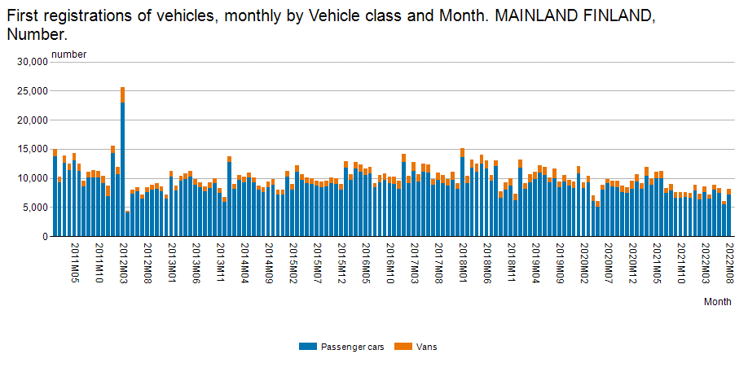
 | 2012M11 | 7714 | 805
 | 2012M12 | 6415 | 734
 | 2013M01 | 10258 | 962
 | 2013M02 | 7891 | 766
 | 2013M03 | 9499 | 822
 | 2013M04 | 9865 | 872
 | 2013M05 | 10234 | 957
 | 2013M06 | 8810 | 965
 | 2013M07 | 8457 | 822
 | 2013M08 | 7739 | 788
 | 2013M09 | 8219 | 977
 | 2013M10 | 9093 | 871
 | 2013M11 | 7463 | 786
 | 2013M12 | 5927 | 817
 | 2014M01 | 12697 | 1004
 | 2014M02 | 8180 | 834
 | 2014M03 | 9626 | 864
 | 2014M04 | 9317 | 885
 | 2014M05 | 10114 | 881
 | 2014M06 | 9209 | 934
 | 2014M07 | 8017 | 716
 | 2014M08 | 7525 | 898
 | 2014M09 | 8402 | 932
 | 2014M10 | 8837 | 974
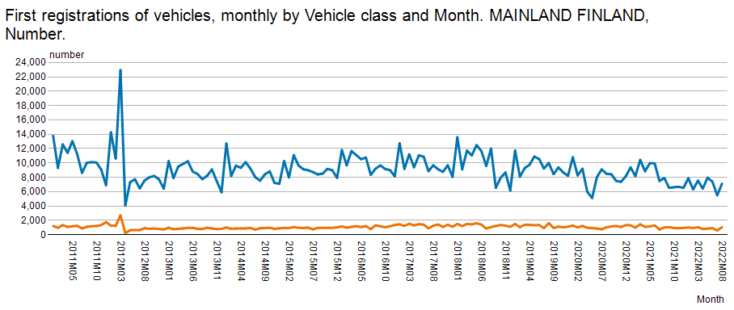
 | 2014M11 | 7219 | 818
 | 2014M12 | 7092 | 885
 | 2015M01 | 10268 | 959
 | 2015M02 | 7990 | 914
 | 2015M03 | 11098 | 1072
 | 2015M04 | 9637 | 961
 | 2015M05 | 9117 | 928
 | 2015M06 | 8980 | 997
 | 2015M07 | 8723 | 744
 | 2015M08 | 8402 | 954
 | 2015M09 | 8515 | 957
 | 2015M10 | 9167 | 960
 | 2015M11 | 8998 | 963
 | 2015M12 | 7925 | 1022
 | 2016M01 | 11794 | 1149
 | 2016M02 | 9666 | 986
 | 2016M03 | 11654 | 1098
 | 2016M04 | 11088 | 1189
 | 2016M05 | 10523 | 1071
 | 2016M06 | 10753 | 1195
 | 2016M07 | 8345 | 780
 | 2016M08 | 9201 | 1311
 | 2016M09 | 9651 | 1169
 | 2016M10 | 9166 | 1042
 | 2016M11 | 9008 | 1184
 | 2016M12 | 8151 | 1351
 | 2017M01 | 12744 | 1440
 | 2017M02 | 9168 | 1227
 | 2017M03 | 11214 | 1525
 | 2017M04 | 9399 | 1297
 | 2017M05 | 11058 | 1467
 | 2017M06 | 10868 | 1408
 | 2017M07 | 8855 | 895
 | 2017M08 | 9672 | 1261
 | 2017M09 | 9118 | 1424
 | 2017M10 | 8752 | 1086
 | 2017M11 | 9670 | 1389
 | 2017M12 | 8069 | 1106
 | 2018M01 | 13584 | 1508
 | 2018M02 | 9110 | 1204
 | 2018M03 | 11723 | 1498
 | 2018M04 | 11047 | 1440
 | 2018M05 | 12487 | 1590
 | 2018M06 | 11661 | 1412
 | 2018M07 | 9583 | 870
 | 2018M08 | 12007 | 1063
 | 2018M09 | 6532 | 1214
 | 2018M10 | 7940 | 1352
 | 2018M11 | 8667 | 1260
 | 2018M12 | 6164 | 1104
 | 2019M01 | 11738 | 1493
 | 2019M02 | 8085 | 1056
 | 2019M03 | 9279 | 1380
 | 2019M04 | 9748 | 1369
 | 2019M05 | 10891 | 1327
 | 2019M06 | 10539 | 1344
 | 2019M07 | 9221 | 909
 | 2019M08 | 9994 | 1617
 | 2019M09 | 8439 | 936
 | 2019M10 | 9371 | 1124
 | 2019M11 | 8683 | 1030
 | 2019M12 | 8215 | 1119
 | 2020M01 | 10801 | 1274
 | 2020M02 | 8271 | 1018
 | 2020M03 | 9200 | 1221
 | 2020M04 | 5981 | 970
 | 2020M05 | 5113 | 912
 | 2020M06 | 8026 | 871
 | 2020M07 | 9104 | 754
 | 2020M08 | 8488 | 1038
 | 2020M09 | 8424 | 1158
 | 2020M10 | 7502 | 1214
 | 2020M11 | 7375 | 1072
 | 2020M12 | 8133 | 1340
 | 2021M01 | 9376 | 1303
 | 2021M02 | 8175 | 990
 | 2021M03 | 10429 | 1446
 | 2021M04 | 8845 | 1095
 | 2021M05 | 9965 | 1166
 | 2021M06 | 9946 | 1300
 | 2021M07 | 7487 | 727
 | 2021M08 | 7906 | 1008
 | 2021M09 | 6535 | 1059
 | 2021M10 | 6613 | 943
 | 2021M11 | 6678 | 908
 | 2021M12 | 6530 | 949
 | 2022M01 | 7884 | 1008
 | 2022M02 | 6305 | 934
 | 2022M03 | 7543 | 1046
 | 2022M04 | 6432 | 788
 | 2022M05 | 7942 | 856
 | 2022M06 | 7398 | 907
 | 2022M07 | 5503 | 598
 | 2022M08 | 7114 | 1049

<A HREF='https://stat.fi/en/statistics/documentation/merek' TARGET=_blank>Documentation of statistics</A>
Region:
Region of domicile of vehicles

Vehicle class:
Vehicle class

Information:
Number:
Number

Latest update:
Number:
20221207 08:00

Source:
Statistics Finland, first registrations of motor vehicles

Contact:
Number:
<A HREF='https://stat.fi/en/statistics/merek' TARGET=_blank>Statistics' homepage</A>

Copyright

Units:
Number:
number

Official statistics

Internal reference code:
001_11ar_2022m11

